Steph Bot
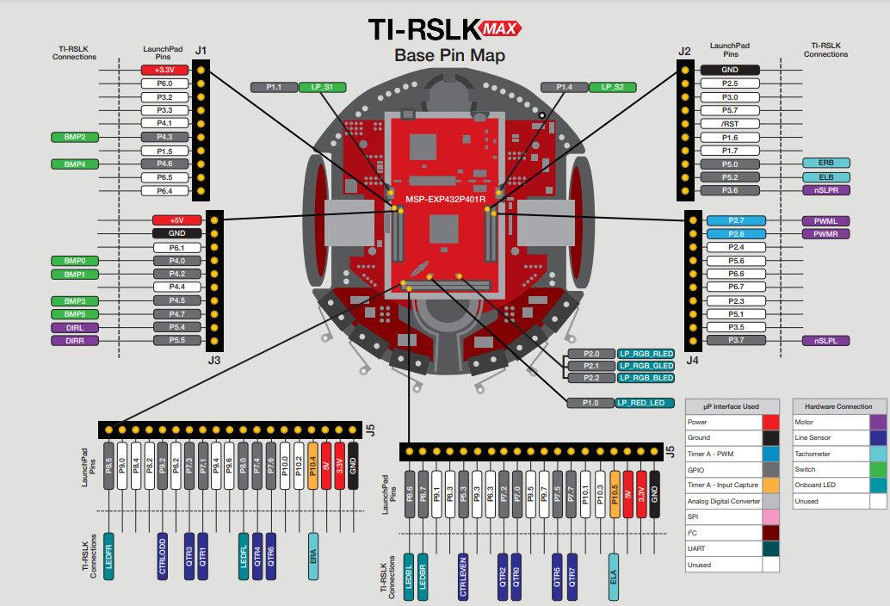
Pin | Assignment | Type | Pin Map Location
1 | 3.3V | Power | https://www.ti.com/lit/ml/sekp171/sekp171.pdf?ts=1645066239153
2 | stepper | Motor
3 | stepper | Motor
4 | stepper | Motor
5 | stepper | Motor
6 | BMP2 | Switch
7
8 | BMP4 | Switch
9 |  | LED
10
11 | nSLPR | Motor
12 | ELB | Tachometer
13 | ERB | Tachometer
14 | IR Left | Sensor
15 | IR Middle | Sensor
16 | DO NOT USE
17 | IR Right | Sensor
18
19
20 | GND | Ground
21 | 5V | Power
22 | GND | Ground
23
24 | BMP0 | Switch
25 | BMP1 | Switch
26
27 | BMP3 | Switch
28 | BMP5 | Switch
29 | DIRL | Motor
30 | DIRR | Motor
31 | nSLPL | Motor
32
33
34
35
36 | Ultra | Sensor
37 | Ultra | Sensor
38
39 | PWMR | Motor
40 | PWML | Motor

